Indices

 | Iraq Stock Exchange
 | Bulletin No (71)
 | ISX Trading Indices of Sunday 26/4/2026

 | Traded Volume and OTC |  | 756,733,433 |  | Traded Value and OTC |  | 889,354,630 |  | Traders | 866

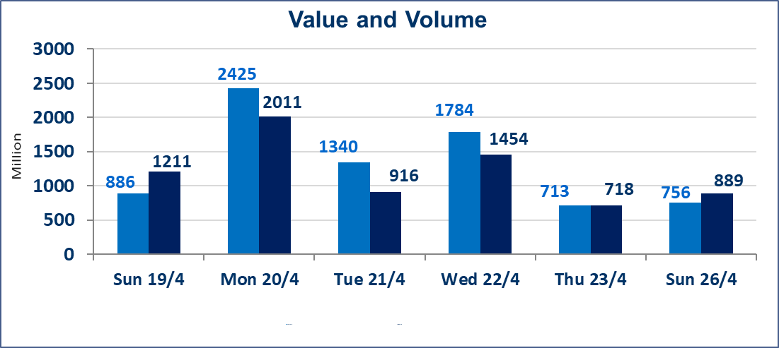
 | ISX Index 60 |  |  | 984.96 | ISX Index 15 |  |  | 1292.38
 | Previous ISX Index60 |  |  | 986.86 | Previous ISX Index15 |  |  | 1289.95
 | Change % |  |  | -0.19 | Change % |  |  | 0.19
 | Change |  |  | -1.90 | Change |  |  | 2.43

 | Listed Companies | 104 | OTC | 14 | Non Traded listed | 50 | OTC | 12
 | Traded Listed Companies | 45 | OTC | 2 | Higher Companies |  |  | 12
 | GAM Companies |  |  | 1 | Lower Companies |  |  | 12
 | Suspended Companies |  |  | 8
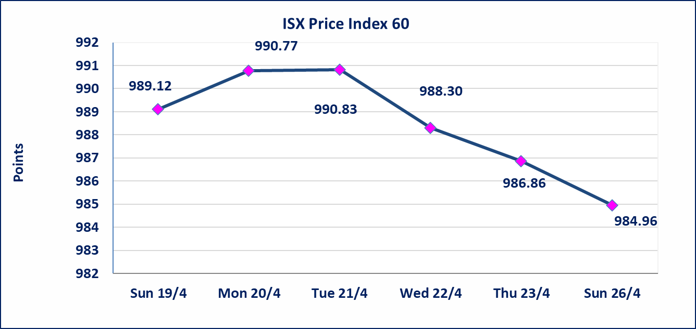
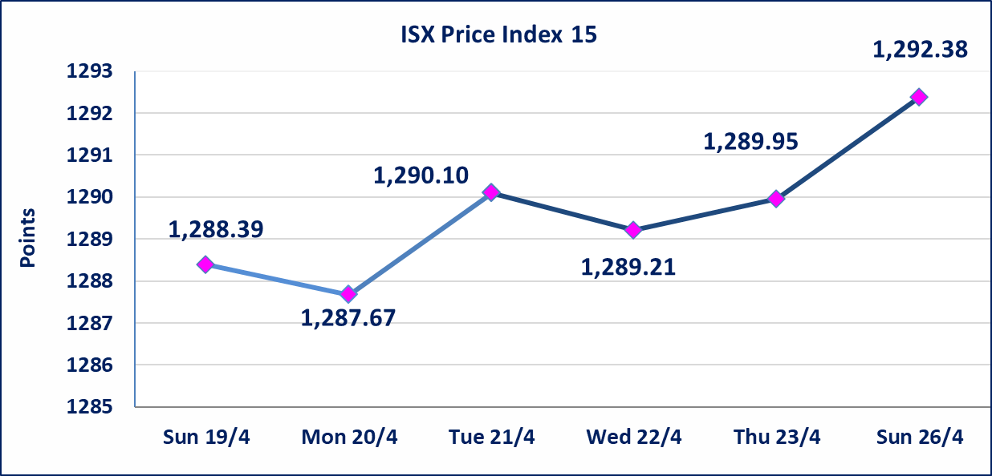

Al-Alwiya P.O . 3607 Mobile: 07711211522 - 07270094594 - 07834000034 E-mail: info-isx@isx-iq.net Web site:www.isx-iq.net

Top 5
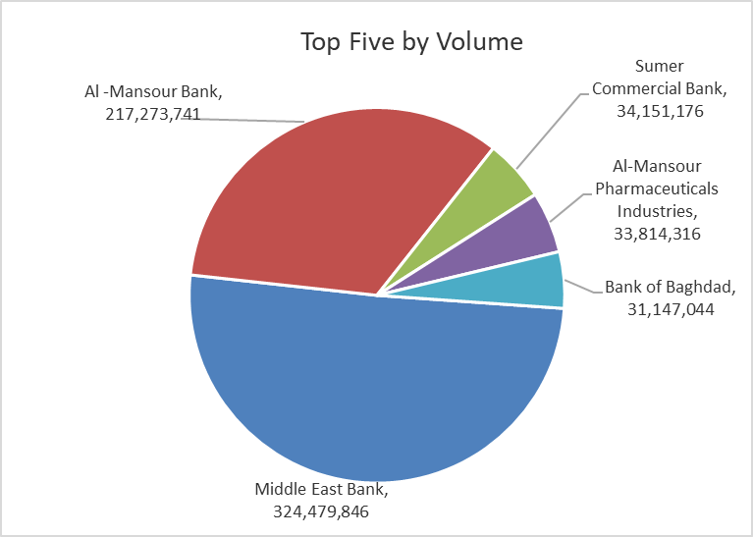
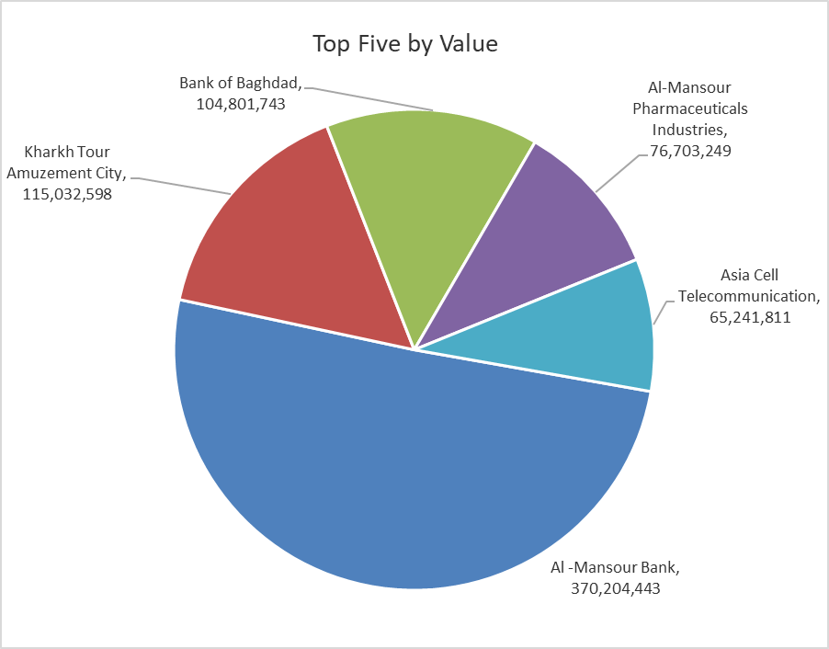

ISX top ganing and losing companies
Sunday 26/4/2026
 | Gainers |  |  |  | Losers
 | Company Name | Closing Price | Change (%) | Traded Volume | Company Name | Closing Price | Change (%) | Traded Volume
 | Iraqi Engineering Works | 6.350 | 4.96 | 8,126 | Al-Taif Islamic Bank | 0.640 | -4.48 | 148,000
 | Kharkh Tour Amuzement City | 4.720 | 4.89 | 24,440,594 | Gulf Commercial Bank | 0.350 | -2.78 | 18,080,186
 | AL-Badia for General Trans | 1.310 | 4.80 | 666,580 | Iraqi Date Processing and Marketing | 2.400 | -2.04 | 61,057
 | Investment Bank of Iraq | 0.220 | 4.76 | 639,903 | Commercial Islamic Bank of Iraq | 0.660 | -1.49 | 3,000,000
 | Babil Animal & Vegetable Production | 10.850 | 3.33 | 178,678 | Al-Mansour Pharmaceuticals Industries | 2.250 | -1.32 | 33,814,316
 | The most active companies in term of traded volume and value

 | Traded Volume |  |  |  | Traded Value
 | Company Name | Closing Price | Change (%) | Traded Volume | Company Name | Closing Price | Change (%) | Traded Value
 | Middle East Bank | 0.100 | 0.00 | 324,479,846 | Al -Mansour Bank | 1.700 | -1.16 | 370,204,443
 | Al -Mansour Bank | 1.700 | -1.16 | 217,273,741 | Kharkh Tour Amuzement City | 4.720 | 4.89 | 115,032,598
 | Sumer Commercial Bank | 0.190 | 0.00 | 34,151,176 | Bank of Baghdad | 3.350 | -0.59 | 104,801,743
 | Al-Mansour Pharmaceuticals Industries | 2.250 | -1.32 | 33,814,316 | Al-Mansour Pharmaceuticals Industries | 2.250 | -1.32 | 76,703,249
 | Bank of Baghdad | 3.350 | -0.59 | 31,147,044 | Asia Cell Telecommunication | 16.600 | 0.61 | 65,241,811

Non Iraqi

Iraq Stock Exchange
Non Iraqis' Bulletin Sunday April 26 2026
Regular Market

Non Iraqi Trading of Regular Market (Sell)
Company Names | Code | No.of trades | Traded Shares | Trading Volume
Banks Sector
Bank Of Baghdad | BBOB | 7 | 1,500,000 | 5,055,000
Al-Mansour Bank | BMNS | 3 | 1,600,000 | 2,720,000
Total Bank sector |  | 10 | 3,100,000 | 7,775,000
Grand Total |  | 10 | 3,100,000 | 7,775,000

Non Iraqi Trading of Second Market (Sell)
Company Names | Code | No.of trades | Traded Shares | Trading Volume
Banks Sector
Credit Bank Of Iraq | BROI | 3 | 1,162,487 | 685,867
Total Bank sector |  | 3 | 1,162,487 | 685,867
Grand Total |  | 3 | 1,162,487 | 685,867

Not Trading Bonds

Iraq Stock Exchange
Sunday 26/4/2026
Not Trading Bonds Bulletin
Bond type | Publish type | Code | last trading price | immortilize date
Banaa Bonds /Million ID | Second | CB20 | 964,981 | 19/12/2025
Eamar Bonds /Million ID | First | CB30 | 1,001,095 | ــــــــــــــــ
Eamar Bonds /Million ID | Second | CB40 | ــــــــــــــــ | ــــــــــــــــ
Eamar Bonds /500 Thousand ID | Third | CB45 | ــــــــــــــــ | ــــــــــــــــ
Eamar Bonds /Million ID | Third | CB50 | ــــــــــــــــ | ــــــــــــــــ
Injaz Bonds /500 Thousand ID | First | CB55 | ــــــــــــــــ | ــــــــــــــــ
Injaz Bonds /Million ID | First | CB60 | 951,110 | ــــــــــــــــ
Injaz Bonds /500 Thousand ID | Second | CB65 | 507,301 | ــــــــــــــــ
Injaz Bonds /Million ID | Second | CB70 | 965,050 | ــــــــــــــــ
Injaz Bonds /500 Thousand ID | Third | CB75 | ــــــــــــــــ | ــــــــــــــــ
Injaz Bonds /Million ID | Third | CB80 | 978,182 | ــــــــــــــــ
National Bonds/Million ID | First | CB90 | ــــــــــــــــ | ــــــــــــــــ
National Bonds/500 Thousand ID | Second | CB95 | ــــــــــــــــ | ــــــــــــــــ
National Bonds/Million ID | Second | CB100 | ــــــــــــــــ | ــــــــــــــــ

